Test Cases
 |  |  |  |  | <Safe Start Inspections App> Functional / Regression Test Cases
TC ID | Requirements No. | Module | Test Case Description | Test Case Steps | Expected Results | Build XX | Build XX+1 | Build XX+2
001 | FR_000 | Startup | Installation | Install the app | The app was successfully installed. App icon Appeared at the desktop of the device | not tested
002 | FR_000 | Startup | App first launch | 1) Run the app for the first time and check mandatory fields of the settings screen 2) Enter all the required information | Upon startup, the application displays a home screen displaying the company logo. This page directs to the settings screen automatically, where details will be required to be saved prior to returning to the menu screen. This collects: • Operators name • Operators email address • Plant and Equipment managers name • Plant and Equipment managers email address • Selecting whether the email system will be used or the database system. Where the database system is selected the following will require an answer. • Safe Start ID number (Database subscription ID) After initial information is added and stored in settings, the app returns to the main menu screen (FR_001) and able to be used. | not tested
003 | FR_000 | General | Simple app launch | Run the app (not for the first time) | Upon startup, the application displays a home screen displaying the company logo. This page directs to the menu screen (FR_001) automatically. | not tested
004 | FR_001 | Menu | Menu structure | 1) Run the app 2) Observe menu screen 3) Navigate between chapters | Menu screen contains the following chapters (links to specific screens): 1. Pre-start Inspection. Link to FR_005 or FR_006 (see FR_005 for details). 2. Alerts. Link to FR_003. 3. Stored Documents. Link to FR_004. 4. Settings. Link to FR_002. | not tested
005 | FR_001 | Menu | Alert tab indication | 1) Open Alert tab 2) Check that the tab has correct number of received alerts and notifications | The alerts tab in the phone app receives alerts or fault notifications from the database. The alerts button should display a number to indicate how many notifications require attention. The number of pending or incomplete inspections in stored documents is also should be indicated. | not tested
006 | FR_002 | Settings screen | Settings screen structure | 1) Navigate to Settings screen 2) Click Back button 3) Navigate to Settings screen again 4) Make some changes and click Save button 5) Navigate to Settings screen and check that all changes made in step 4 were saved | The settings screen collects information which will provide auto-fill information and suggestion boxes within the daily inspection. The screen looks like FR_002 in attachments. Buttons: Save- Save data and return to FR_001. Back- Return to FR_001. | not tested
007 | FR_002 | Settings screen | Email and online database systems | 1) Navigate to Settings screen 2) Make sure that there is an option to change modes | The app functions in two capacities, an email based system and an online database system. The email based system will operate where completed inspections are compiled into PDF documents then emailed to the designated email address or addresses. Alternatively, the database system will contain synchronized records uploaded from user handsets and will also allow for data to be directly input and monitored by subscribed users. | not tested
008 | FR_002 | Settings screen | Adding a signature | 1) Navigate to Settings screen 2) Select Email system 3) Add a signature (enter data and add a picture) 4) Navigate to FR_005 and make sure that entered in step 3 data could be added to each data field as a suggestion/drop box | Stored data can be automatically added to inspections when using the email system. Multiple names, etc. can be added to each data field, which appears in inspections (FR_005), as a suggestion/drop box. These names can be added or removed by returning to the settings page. | not tested
009 | FR_002 | Settings screen | Picture | 1) Navigate to Settings screen 2) Try to add a signature with out picture (should be impossible) 3) Take a picture 4) Try to cropp, rotate and zoom in/out | Adding a signature requires the user to take a photo of their signature. When the picture is taken it would able to be cropped, rotated and zoomed in or out to fit in a rectangular signature line which will be added to completed inspections. | not tested
010 | FR_004 | Stored Documents | Stored Documents screen structure | 1)Navigate to Stored Documents screen 2) Observe its structure 3) Select inspection and click Submit button 4) Select inspection, click Delete button and confirm deletion 5) Click Delete all button and confirm deletion 6) Click Back button | Screen looks like FR_004 in attachments Buttons: Submit- Selected pending inspections will be submitted Delete- Delete selected submitted inspections (with confirmation) Delete all- Delete all submitted inspections (with confirmation) Back- Return to FR_001. | not tested
011 | FR_004 | Stored Documents | Complicated inspections | 1)Select email system in the app settings 2)Navigate to Stored Documents screen 3) Check the data presented on the screen 4) Send any inspection to new email 5) Check that email was sent | Inspections which are completed are stored on the phone. These are able to be accessed and viewed through the stored documents section. These are able to be resent to new email addresses if it is being used in the email system from the stored documents area. | not tested
012 | FR_004 | Stored Documents | No connection | 1) Turn network connection OFF and complete inspection 2) Turn network connection ON and check the completed inspection was resent 3) Make sure that there are completed inspections (not sent)? restart the app and observe the notifications | When inspections are completed but are not able to be sent due to poor connectivity, they will continue to attempt to resubmit at certain intervals. These will be stored in the stored documents section. If the app is restarted and there are completed inspections which require submitting, the user will be prompted to re-send. | not tested
013 | FR_004 | Stored Documents | Editing inspections | 1) Navigate to Stored Documents screen, open any of pending inspection, change data and save it 2) Check that the changes that were made in step 1 were successfully saved 3) Pause any inspection 4) Continue paused inspection | Pending inspections can be opened and changes made. If an inspection is paused/exited, it can be continued from here before it is submitted. | not tested
014 | FR_004 | Stored Documents | Documents storing | 1)Navigate to Stored Documents screen 2) Observe the way the documents are stored | All stored documents are stored from most current to least current. | not tested
015 | FR_004 | Stored Documents | Search function | 1) Navigate to Stored Documents screen 2)Enter Plant ID/Registration/ Date and Time as a search key 3) Check that the result of searching are match to key request | A search function is available to search for certain Plant ID/Registration or Date and Time. The results of searching are match to the key request | not tested
016 | FR_004 | Stored Documents | Delete function | 1) Navigate to Stored Documents screen 2) Chose any item and click Delete button 3) Confirm deletion | Document was successful deleted. Confirmation appeared before deleting documents. | not tested
017 | FR_005 | Daily Inspection Checklist | Pre-Start Inspection (email system) | 1) Chose email system in the app settings 2) Click Pre-Start Inspection button in menu 3) Observe screen structure 4) Check possible navigation | Directs to the screen looks like FR_006 in attachments. Buttons: Back- Return to FR_001 (if in email system) Next- Continue to FR_007 If a stored vehicle is identified in the database, cells: Project name, Project number, Type of vehicle, registration expiry, next service due are auto-filled from the database. All remaining variable information remains blank requiring data entry except for operators name, which will auto-fill from settings. | not tested
018 | FR_005 | Daily Inspection Checklist | Pre-Start Inspection (online database system) | 1) Chose online database system in the app settings and make sure SafeStart ID has been entered 2) Click Pre-Start Inspection button in menu 3) Observe screen structure 4) Check possible navigation | Directs to page looks like FR_006 in attachments: Buttons Back- Return to FR_001 Next- Continue to FR_006 (When press, the database is checked. If there is no recorded Plant ID/Registration this warning will display FR_003 ) | not tested
019 | FR_005 | Daily Inspection Checklist | Information verification | 1) Start an inspection 2) Enter Vehicle ID, Safe Start ID and submit | If there is no previous entry of a vehicle with that ID, confirmations required to verify that it is the first entry of that vehicle. If it is the first entry, all data on the vehicle is required. If the user believes that it is not the first inspection being completed, the vehicle ID should be checked and resubmitted by the user. | not tested
020 | FR_005 | Daily Inspection Checklist | Alerts appearing | 1) Start an inspection 2) Enter Vehicle ID, Safe Start ID (real from database with existing alerts) and submit | When a user attempts to do an inspection for a vehicle, any alerts that are outstanding in the database are identified. When the Plant ID/Registration is entered, the alerts appear on the screen to make the user aware of potential hazards with the vehicle. These is required to be checked again by the user when the inspection is done (they will all default to N/A). | not tested
021 | FR_006 | Daily Inspection Checklist Cont. | Screen structure | 1) Complete FR_005 form 2) Click Next button 3) Observe screen structure 4) Check possible navigation | Directs to screen looks like FR_006 from attachments. Buttons: Back- Return to FR_005 (if in database system) or FR_001 (if in email system) Next- Continue to FR_007 | not tested
022 | FR_006 | Daily Inspection Checklist Cont. | AutoComplete feature | 1) Complete FR_005 form 2) Click Next button 3) Observe cells with non-variable info | If a stored vehicle is identified in the database, all cells with non-variable information will be auto-filled from the database. Non-variable data items are: Project name, Project number, Type of vehicle, registration expiry, next service due. All remaining variable information will remain blank requiring data entry except for operators name, which will auto-fill from settings. | not tested
023 | FR_006 | Daily Inspection Checklist Cont. | Checking the accuracy of the data entered | 1) Complete FR_005 form 2) Click Next button 3) Complete form with the item ‘current hours’ exceeds 24 4) Complete form with the item ‘current hours’ doesn't exceed 24 5) Complete form with the item ‘current hours’ doesn't exceed 24 and confirm it | If the data entered for the item ‘current hours’ exceeds 24 hours and the last inspection was recorded less than 24 hours ago confirmation of the accuracy of the data will be required. Similarly, if the data entered for the item kms exceeds 500km’s and the last inspection was recorded less than 24 hours before a notification appears to confirm the accuracy of the data. Additionally, if a vehicle’s current hours or km’s has reduced, a prompt confirmation of the data’s accuracy will also be required. If the user confirms them as correct, raise an alert in the database to inform the manager of the data discrepancy. Date and Time are auto-filled. | not tested
024 | FR_006 | Daily Inspection Checklist Cont. |  | 1) Chose email system in the app settings 2) Do not enter Safe Start ID 3) Complete FR_005 form 4) Click Next button | When no Safe Start ID has been entered and the email system is being used, the fields which have data stored in settings will provide suggestions to the user for input. | not tested
025 | FR_006 | Daily Inspection Checklist Cont. | GPS location | 1) Turn GPS location ON in the device settings 2) Allow the app to use GPS location | GPS will locate user on a map if the user selects to turn it on. If GPS is used, location is not compulsory but information can be added if the user wishes. | not tested
026 | FR_006 | Daily Inspection Checklist Cont. | Database alerts | Check the database alerts. | Alert in report if Registration expiry date is in 1 month or less (The 1 month duration can be changed from within the database). Alert in report if Current odometer numbers are larger than in “Next service due”. Alerts can be raised sooner by a margin selected from within the database. | not tested
027 | FR_007 | Daily Inspection Checklist Safety | Screen structure | 1) Complete FR_006 form 2) Click Next button 3) Observe screen structure 4) Check possible navigation | Directs to the pre- start inspection. The screen should look like FR_007 and scroll through all questions to the Back, Next option. Buttons: Back- Link to FR_006 Next- Link to FR_008 All items will default to N/A. Vehicle stability is not recorded in the database or alerts. Fire extinguisher to be auto-filled from the database. | not tested
028 | FR_007 | Daily Inspection Checklist Safety | Alerts | 1) Complete FR_006 form 2) Click Next button 3)Chose "No" for all the items | If no is selected in item 1 (Is the vehicle stable?) pop up box will display with the words: “Danger. Please secure the vehicle before continuing”. Okay must be selected before the inspection can continue. If no is selected in item 3 (Are you authorized in the use of this vehicle?) a pop up box will be displayed with the words: “Danger. Do not inspect any vehicle unless you are authorized.” For all other items. If no is selected, alert in the report. If the ‘Date of next inspection – fire extinguisher’ is in 1 month or less – alert in the report. | not tested
029 | FR_008 | Daily Inspection Checklist Cabin | Screen structure | 1) Complete FR_007 form 2) Click Next button 3) Observe screen structure 4) Check possible navigation | Redirects to the screen looks like FR_008 in attachments. Buttons: Back- Link to FR_007 Next- Link to FR_009 All boxes start blank. Impossible to move to the next page without checking each item . If any items are left blank, the prompt to complete all boxes appears. | not tested
030 | FR_008 | Daily Inspection Checklist Cabin | Alerts | 1) Complete FR_006 form 2) Click Next button 3) Click any check box several times and observe its state 4) Select all items and observe the alerts | Each click will rotate through tick, cross and N/A. A cross will raise an alert. Alerts which have been raised in an inspection will be recorded in the database. The following items are critical alerts: Lights and indicators, warning alarms and horn, seatbelt. Critical alerts will result in a notification being sent to specific users in the form of a push notification (eg. Plant and equipment managers or mechanics). They will arrive in the users’ Alert section as a fault notification See FR_020. | not tested
031 | FR_009 | Daily Inspection Checklist Structural | Screen structure | 1) Complete FR_008 form 2) Click Next button 3) Observe screen structure 4) Check possible navigation | Directs to the screen looks like FR_009 in attachments. Buttons: Back- Link to FR_008 Next- Link to FR_010 All items will default to N/A. | not tested
032 | FR_009 | Daily Inspection Checklist Structural | Alerts | 1) Complete FR_008 form 2) Click Next button 3)Chose "No" for all the items | If no is selected, alert in the report. For item 3 (Are the tyres correctly inflated, with good tread and wheel nuts tight?) If no, add question (slide down to reveal) | not tested
033 | FR_010 | Daily Inspection Checklist Mechanical | Screen structure | 1) Complete FR_009 form 2) Click Next button 3) Observe screen structure 4) Check possible navigation | Directs to the screen looks like FR_010 in attachments. Buttons: Back- Link to FR_009 Next- Link to FR_011 All questions will default to N/A. All boxes start blank. The user must address all of the boxes before being allowed to move to the next page. If any items are left blank, prompt the user to complete them before moving on. | not tested
034 | FR_010 | Daily Inspection Checklist Mechanical | Alerts | 1) Complete FR_006 form 2) Click Next button 3) Click any check box several times and observe its state 4) Select all items and observe the alerts | Each click will rotate through tick, cross and N/A. If no is selected for item 1 (Have you isolated the vehicle?) A pop up question will display: If no is selected for any of the items, alert in the report. The following items are critical alerts; does the vehicle start, is the steering functioning properly, do the foot and hand brakes work properly. Critical alerts will result in a notification being sent to specific users in the form of a push notification (eg. Plant and equipment managers or mechanics). They will arrive in the users’ Alert section as a fault notification See FR_020. | not tested
035 | FR_011 | Daily Inspection Checklist Additional | Screen structure | 1) Complete FR_010 form 2) Click Next button 3) Observe screen structure 4) Check possible navigation | Redirects to the screen looks like FR_011 in attachments: Buttons: Back- Link to FR_010 All questions will default to “No”. | not tested
036 | FR_011 | Daily Inspection Checklist Additional | Navigation | 1) Complete FR_010 form 2) Click Next button 3) Consequentially select Yes for all the items and click Next button | If the user selects ‘Yes’ for any of the items they will be directed to the corresponding screen once next is selected in order of appearance below: 1. Trailer: See FR_013 for details. 2. Auxiliary Motor: See FR_014 for details. 3. Crane: See FR_015 for details. 3. Earthmoving Plant: See FR_016 for details. 4. EWP: See FR_017 for details. | not tested
037 | FR_012 | Daily Inspection Checklist Review | Screen default view | 1) Complete cabin checklist FR_011 and click Next button 2) Click Next button 3) Observe screen structure 4) Check possible navigation | Redirects to the screen looks like FR_012 in attachments: Where trailer is added, create/update in the database as its own Plant ID/Registration item but include the Project Name, Project Number, Operators Name, Date and Time & Location used in the original vehicle inspection. Auxiliary motor, loading crane, mobile crane, earthmoving equipment and EWP should remain under the same Plant ID/Registration identified in the vehicle inspection. All alerts will have a + option for adding comments. | not tested
038 | FR_012 | Daily Inspection Checklist Review | Items view and links | 1) Complete cabin checklist FR_011 and click Next button 2) Check all items status 3) Click all the items alternatively | Items in this view (Vehicle details etc.) have a tick beside to show that they are complete. These items will be linked back to those pages for changes to be made if necessary. | not tested
039 | FR_012 | Daily Inspection Checklist Review |  | 1) Make sure that a signature is stored in the app settings. 2) Complete cabin checklist FR_011 and click Next button | A signature was automatically added. | not tested
040 | FR_012 | Daily Inspection Checklist Review | Submit button | 1) Complete cabin checklist FR_011 and click Next button 2) Click Submit button | Prompt box appears with Confirm and Back buttons (Confirm- Email is sent or database is updated, Back- Prompt box disappears) | not tested
041 | FR_012 | Daily Inspection Checklist Review | Back button | 1) Complete cabin checklist FR_011 and click Next button 2) Click Back button | Links to FR_011 or previous additional checklist | not tested
042 | FR_012 | Daily Inspection Checklist Review | Ok button | 1) Complete cabin checklist FR_011 and click Next button 2) Click Ok button | Links to FR_001 | not tested
043 | FR_013 | Daily Inspection Checklist Trailer | Default view and navigation | 1) Click Trailer button on FR_011 2) Check the app behavior upon choosing different answers | Directs to the screen looks like FR_013 from attachments: All items will default to N/A. Buttons: Back- Link to FR_011 Next- Links to other additional items selected “Yes” on FR_011 or FR_012 if no other items were selected. | not tested
044 | FR_013 | Daily Inspection Checklist Trailer | Alerts | 1) Click Trailer button on FR_011 2) Check the app behavior upon choosing ‘No’ answer | For item 1 (Is the trailer stable?) If no is selected pop up question appears (see attachment FR_013) For item 4 (Are the tires correctly inflated, in good working order and with wheel nuts tightened?) If no add a question which slides down once ‘No’ is selected (see attachment FR_013) If ‘No’ is selected for any other items alert in the report. | not tested
045 | FR_014 | Daily Inspection Auxiliary Motor | Default view and navigation | 1) Click Auxiliary Motor button on FR_011 2) Check the screen structure | Directs to the screen looks like FR_014 from attachments. All items will default to N/A. Buttons: Back- Link to FR_011, or other additional checklist. Next- Link to other additional items selected “Yes” on FR_011 or FR_012 if no other items were selected. | not tested
046 | FR_014 | Daily Inspection Auxiliary Motor | Alerts | 1) Click Trailer button on FR_011 2) Check the app behavior upon choosing ‘No’ answer | If ‘No’ is selected for item 5: (Test the residual current device. Does it function as designed?) a pop up warning appears. If ‘No’ is selected for any other item, alert in the report. | not tested
047 | FR_015 | Daily Inspection Checklist Crane | Default view and navigation | 1) Click Crane button on FR_011 2) Check the screen structure | Directs to the screen looks like FR_015 in attachments Buttons: Back- Link to FR_011, or previous additional checklist. Next- Link to other additional items selected “Yes” on FR_011 or FR_012 if no other items were selected. | not tested
048 | FR_015 | Daily Inspection Checklist Crane | Alerts | 1) Click Crane button on FR_011 2) Select "No" answer for all the items | If ‘No’ is selected for any of the items, alert in the report. | not tested
049 | FR_016 | Daily Inspection Checklist Earthmoving Plant | Default view and navigation | 1) Click Earthmoving Plant button on FR_011 2) Check the screen structure | Directs to the screen looks like FR_016 Buttons: Back- Link to FR_011, or previous additional checklist. Next- Link to other additional items selected “Yes” on FR_011 or FR_012 if no other items were selected. | not tested
050 | FR_016 | Daily Inspection Checklist Earthmoving Plant | Alerts | 1) Click Earthmoving Plant button on FR_011 2) Select "No" answer for all the items | All items will default to N/A. If ‘No’ is selected for any of the items, alert in the report. | not tested
051 | FR_017 | Daily Inspection Checklist Elevated Work Platform | Default view and navigation | 1) Click EWP button on FR_011 2) Check the screen structure | If EWP is selected from FR_011 (Additional Checklist) the user will be directed to this screen. The screen will look like this: Buttons: Back- Link to FR_011, or previous additional checklist. Next- Link to other additional items selected “Yes” on FR_011 or FR_012 if no other items were selected. | not tested
052 | FR_017 | Daily Inspection Checklist Elevated Work Platform | Alerts | 1) Click EWP button on FR_011 2) Select "No" answer for all the items | All items will default to ‘N/A’. If ‘No is selected for item 1 (Are the ground conditions suitable?) A warning will pop up. If ‘No’ is selected for any other item, alert in the report. | not tested
053 | FR_018 | Online Database Current Information | Page default view | 1) Open Online Database page 2) Check page structure | Page looks like FR_018 from attachments Note: Tabs indicated on the picture do not indicate actual pages required Current Information page | not tested
054 | FR_018 | Online Database Current Information | Current Information page | 1) Open Current Information tab 2) Check tab structure | Current information is where data is sourced for inspection auto-fills. When it is edited, following inspections are auto-filled with this new data. Analytical information will be compiled from the data to give the user information regarding the vehicles use. An example of this analysis is to produce a projected date of next service. Date of next service will be calculated on an average of the machines hours or km’s per day or week in relation to its current and next service hours or km’s. | not tested
055 | FR_018 | Online Database Current Information | Vehicles sorting | 1) Open Current Information tab 2) Check the way the items are sorted | Vehicles which are selected on the left panel, ere sorted by their Plant ID/Registration followed by the equipment type. E.g. 823BBI Toyota Hilux. | not tested
056 | FR_018 | Online Database Current Information | Changing data | 1) Open Current Information tab 2) Chose any item and click Edit button 3) Make some changes then save changes | Information displayed on this page is able to be edited only after the edit button has been selected. Changes were made and any inspections done reflects these changes. | not tested
057 | FR_019 | Online Database continued | Daily Inspection page | 1) Open Daily Inspection tab 2) Check tab structure | The daily inspection page displays the details of the most recently completed inspection for that vehicle. Changes are able to be made through the database page by pressing the edit button. Once in edit mode, all entries of that particular inspection are able to be edited. New inspections are also able to be completed through this page where the user can complete an inspection and it is saved to the database. A list of previous inspections (sorted by date, most current to least) is displayed on this page. An alerts list are also presented, as shown above. From here alerts are able to be closed out. The alert links to the inspections that the alert was identified in. When this is pressed, the user must confirm that it is complete and a field will allow comments to be added. The date, time and user are all recorded against this closed out alert. | not tested
058 | FR_019 | Online Database continued | Edit info | 1) Open Daily Inspection tab 2) Change any item and click Edit button 3) Make some changes and click Save button 4) Check that changes were saved 5) Complete a new inspection 6) Check that a new inspection was saved in db. | Changes are able to be made through the database page by pressing the edit button. Once in edit mode, all entries of that particular inspection are able to be edited. New inspections are also able to be completed through this page where the user can complete an inspection and it is saved to the database. | not tested
059 | FR_019 | Online Database continued | Print page | 1) Open Daily Inspection tab 2) Print page | From this page, a daily inspection can be generated for printing. This generated form will not offer any analytical information, only the details of the inspection. See FR_021. | not tested
060 | FR_019 | Online Database continued | Manage page | 1) Open Manage tab 2) Make changes for all changeable items 3) Save changes 4) Check that all changes were saved | The manage page allows the inspection settings to be changed. Changes made through this section are able to affect all or individual items. Items to be managed are: • Responsible person (database user) • Adding or removing a field • Editing a field • Critical alerts • Required regularity of inspections • Day and regularity of Action list generation • Adding or removing a Vehicle | not tested
061 | FR_019 | Online Database continued | Manage page | 1) Open Manage tab 2) Invite a new user to subscription 3) Check that user was add to subscription 4) Remove any user from subscription 5) Check that user was removed from subscription | The subscription manager has additional privileges through their manage page. They are able to invite other users (Responsible people) into their subscription. They are also able to remove these people from the subscription. The subscription manager is the only person able to make changes to all items of equipment, unless they allocate another user those privileges. | not tested
062 | FR_019 | Online Database continued | Add/Remove field | 1) Make sure that unauthorized users are not able to make changes 2) Login, add/remove some fields for any inspection 3) Check that changes were made in step 2 were successfully saved | Vehicle inspection items are able to be added or removed through the database. This allows authorized users to select inspection items which are relevant to that particular piece of equipment. Only items which are selected through the database appears on the app. | not tested
063 | FR_019 | Online Database continued | Items title | 1) Login, add/remove some fields for any inspection 2) Check that it's impossible to add items without title | Any items that was added require a short title which appears on the daily inspection report as well as a question which will appear in the app. The desired outcome will be required to be identified by the user (E.g. Yes or No) | not tested
064 | FR_019 | Online Database continued | Alerts appearing | 1) Complete an inspection (make sure that there alerts raised during inspection) 2) Check that alerts raised in inspection were saved in db. 3) Check that critical alerts raised in inspection were sent to e.g. Plant and equipment managers or mechanics. 4) Check that alerts sent both by push notification and by email | Alerts which have been raised in an inspection are recorded in the database. Critical alerts will result in a notification being sent to specific users in the form of a push notification (eg. Plant and equipment managers or mechanics). They arrives in the users’ Alert section as a fault notification. Once a critical alert is raised in an inspection, a push notification will be sent to responsible users phone and email in addition to being documented in the database. Users who receive these alerts will be nominated for each vehicle through the manage page. See FR_020 for an example of a fault notification. Reoccurring alerts in the database do not create new alert items. All outstanding alerts for a particular fault are linked/grouped together. When weekly and monthly vehicle reports are generated, these items are identified on the days which they were noted in an inspection. | not tested
065 | FR_019 | Online Database continued | Faults which cause alerts appearing | Check the items which faults cause an alert | The following faults will raise a critical alert: • Lights and indicators (Cabin) • Warning alarms and horn (Cabin) • Seatbelt (Cabin) • Tyres (Structural) • Vehicle start (Mechanical) • Steering (Mechanical) • Brakes (Mechanical) • Residual Current Device (Auxiliary Motor) | not tested
066 | FR_019 | Online Database continued | Reports page | 1) Open Reports tab 2) Check page structure | The report page is where reports will be generated. Weekly and monthly reports gives an overview of the hours or km’s accrued in the previous period as well as any faults. A bar/line graph indicates the comparison of hours/km’s accumulated over the previous month or week compared to the previous 6 months or weeks. Another bar graph compares the number of inspections completed over the previous 6 weeks or months. Numerical figures accompany these graphs. | not tested
067 | FR_019 | Online Database continued | Action page generation | 1) Open Reports tab 2) Generate action list 3) Check that a list was created and send by email to responsible people 4) Print action list | An action list can be generated through this page. A list was generated and emailed to the email address of the responsible person identified in the manage page. A current list is also able to be generated and printed as the user wishes. | not tested
068 | FR_019 | Online Database continued | Alerts in the report | Check that alerts are highlighted in review | Critical alerts are highlighted in the review to make the user aware that a fault notification will be sent for those items. These critical alerts are able to be managed through the database, where particular inspection items can be added or removed as critical items as the database user wishes. | not tested
069 | FR_019 | Online Database continued | Contact page | 1) Open Contact page 2) Try to send email | Allows to send emails to Safe Start Inspections | not tested
070 | FR_019 | Online Database continued | Access to database | Check the limits for the number of vehicles | As access to the database is priced on the number of vehicles being used by a subscription, limiting the number of vehicles to the number paid for will be necessary. | not tested
071 | FR_020 | Fault Notification- Output | Fault notification | Check fault notification's structure and recipients | A fault notification will be sent to the plant and equipment manager when a critical alert is raised. The details of the fault and a picture will be forwarded to the responsible manager with a push notification. | not tested
072 | FR_021 | Daily Inspection- Output | Responses indication | Check the indication of the desired/undesired responses | A green animated tick will indicate a desired response from the inspection. A red animated cross will indicate an undesired response from the inspection. | not tested
073 | FR_021 | Daily Inspection- Output | Output document's structure | Check the output document structure | The output document in the email system will include the Safe Start logo and the company details in the PDF format. The inspection items will be located in the top half of an A4 page. The bottom half will be able to have advertising added. The company disclaimer will be incorporated into the footer. As a part of the subscription, minor adaptation to the document may be incorporated in the form of company information and logos. When printed, daily and weekly reports will be printed in the top half of an A4 page, where two vehicles can fit on the one printed A4 page. Monthly printed reports will print over a whole A4 page. It is envisaged that in the future, inspections and output documents will be able to be adapted to output in a particular company’s format. | not tested
074 |  | Backend | Backend information collection | Check the information which was collected for Safe Start Inspections analysis | Information includes: • Weekly, Monthly and Total number of inspections • Breakdown of each type of inspection (Additional items) • Changes made to inspection items (Add/remove/editing) • New inspection items added • Email inspections completed • A breakdown of usage information for each subscription | not tested
075 |  | Stability | Desktop browsers | Check that web pages could be correctly shown in the most commonly used browsers (IE, Chrome, Safari, FF, Opera) | There are no any graphical corruptions. All functions could be used | not tested
076 |  | Stability | Mobile browsers | Check that web pages could be correctly shown in the most commonly used browsers for mobile platforms | There are no any graphical corruptions. All functions could be used | not tested
077 |  | Stability | SD card usage (Android) | 1) Check that app works correctly with equipped SD card 2) Check that app works correctly without equipped SD card (device storage) 3) Install the app on SD card | The app remain stabile. There is no difference between using either SD card or device storage. | not tested
078 |  | Stability | Device Back button (Android) | Use device back button for navigation in the app | The app behavior is the same as we use software button. | not tested
079 |  | Stability | Tablets | 1) Run the app on tablets 2) Check that it's possible to view data from db. | The app should have all base functionality of the smartphone app – with the added functionality of being able to view data from the database. For viewing the database in the iPad/tablet app, a native application is not necessary for now. Information can be displayed via a web browser interface (in-app). | not tested
080 |  | Stability | Low memory | Check the app behavior during: 1) A small amount of memory available. 2) Free space is absent. | The app remain stabile. | not tested
081 |  | Stability | Basic checks | Check the app behavior while: 1) Scrolling 2) Selecting 3) Simultaneously pressing keys 4) Multiple clicks | The app remain stabile. | not tested
082 |  | Stability | Compulsory close | 1) Run the app 2) Close the app compulsory (from device settings or using task managers) 3) Run the app again | The app remain stabile. | not tested
083 |  | Stability | Working stability | Check the app behavior during: 1) Incoming / outgoing calls 2) Send / receive SMS / MMS; 3) Installation and recovery applications in the background; | The app remain stabile. | not tested
084 |  | Stability | Power consumption | Check the intensity of power consumption, sensitivity to the charge | The app does not degrade battery life significantly and does not impact other system resources | not tested
085 |  | Stability | Uninstalling the app | 1) Uninstall the app 2) Install app again | The app was successfully uninstalled. All app's data was removed. It's possible to install app again. | not tested

Total TC |  |  |  | 85
Passed |  |  |  | 0
Failed |  |  |  | 0
Not tested |  |  |  | 85
Blocked |  |  |  | 0

 |  |  |  |  |  | passed | passed | passed
 |  |  |  |  |  | failed | failed | failed
 |  |  |  |  |  | blocked | blocked | blocked

 |  |  |  |  | Total TC | 85 | 85 | 85
 |  |  |  |  | Passed | 0 | 0 | 0
 |  |  |  |  | Failed | 0 | 0 | 0
 |  |  |  |  | Not tested | 85 | 0 | 0
 |  |  |  |  | Blocked | 0 | 0 | 0

Attachments
FR_001 | 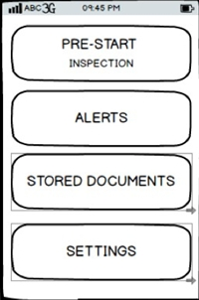
FR_002 | 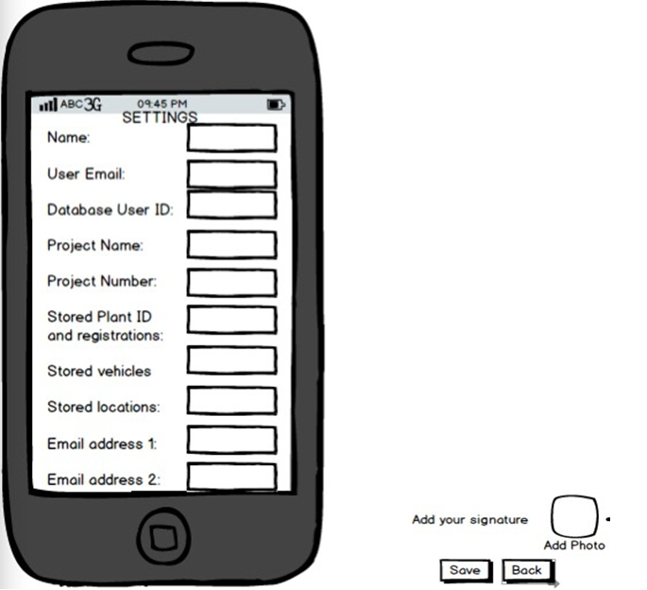
FR_004 | 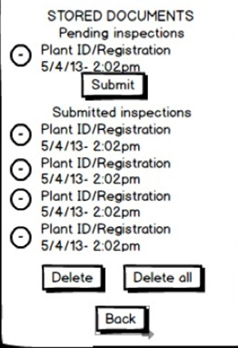
FR_005 | 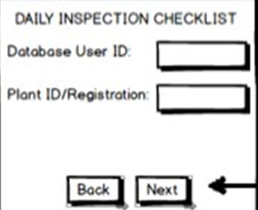
FR_006 | 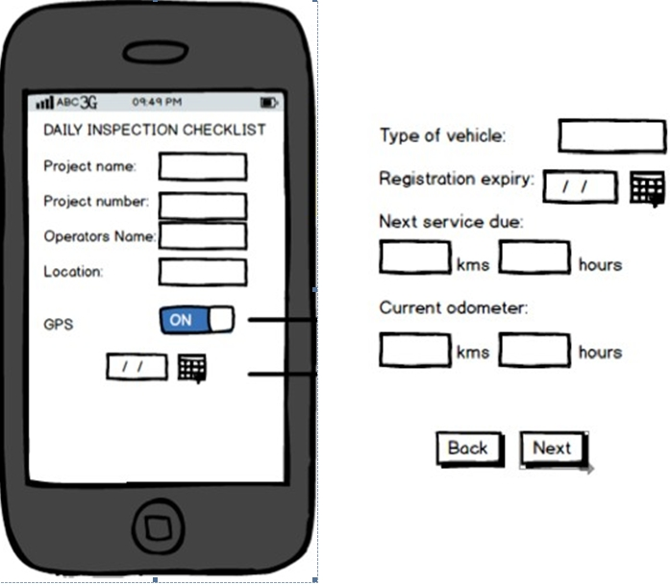
FR_003
FR_007 | 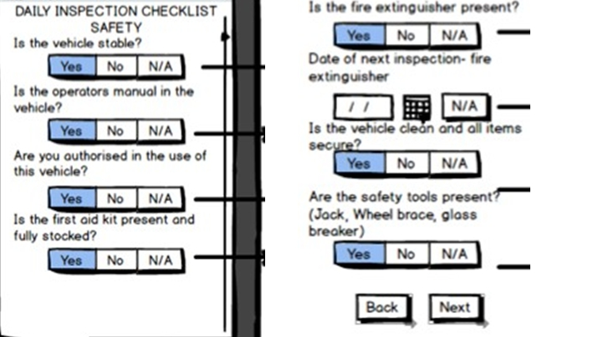
FR_008 | 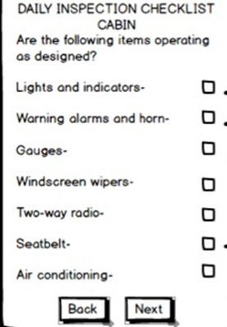
FR_009 | 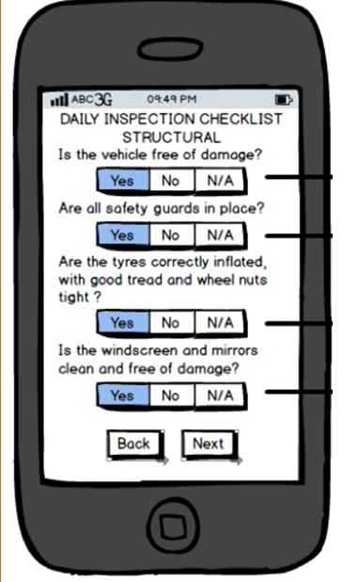
FR_010 | 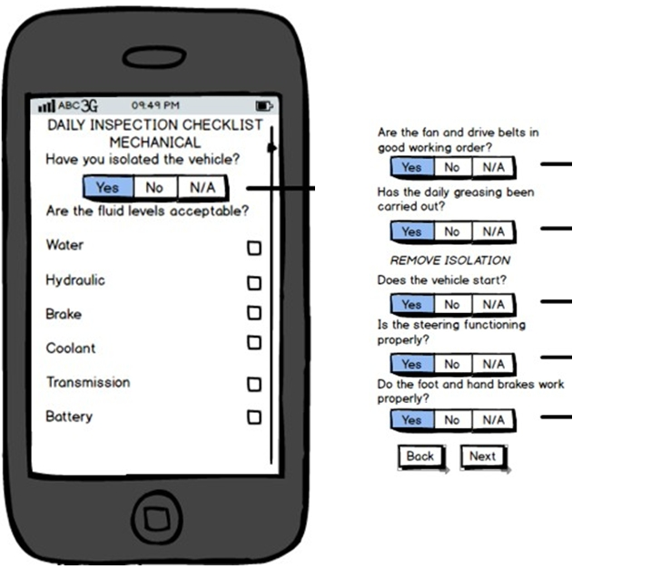 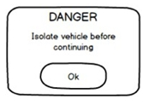
FR_011 | 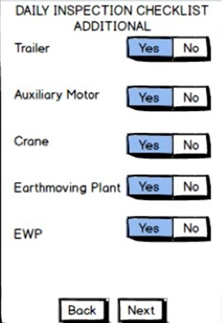
FR_012 | 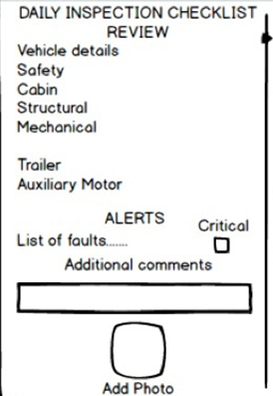
FR_013 | 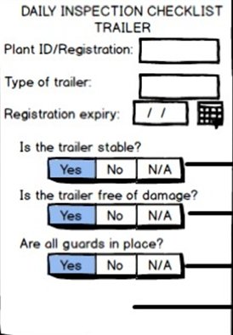 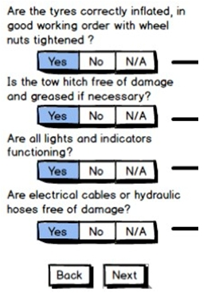 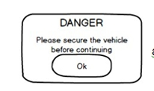
FR_014 | 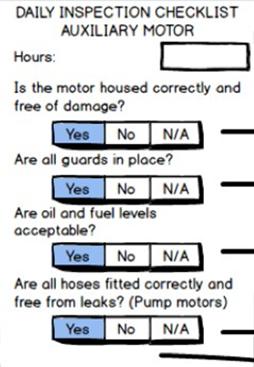 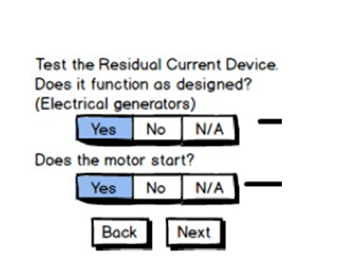
FR_015 | 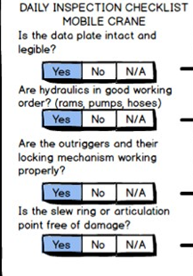 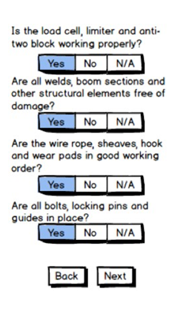 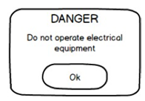
FR_017 | 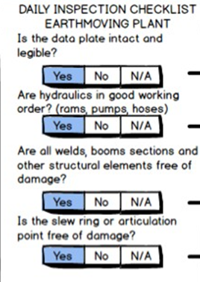 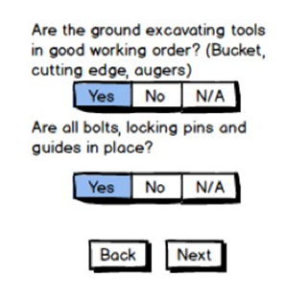 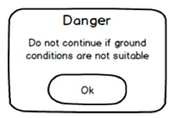
FR_017 | 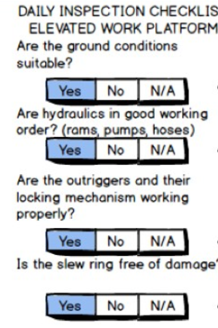 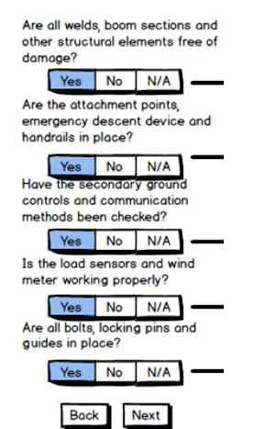
FR_018 | 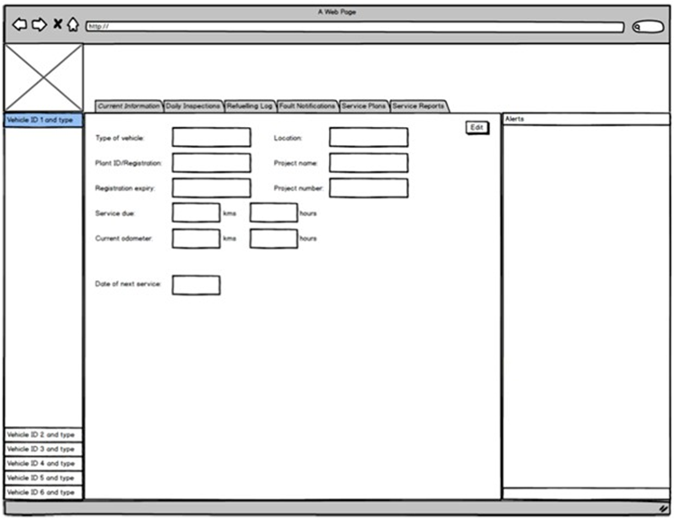
FR_019 | 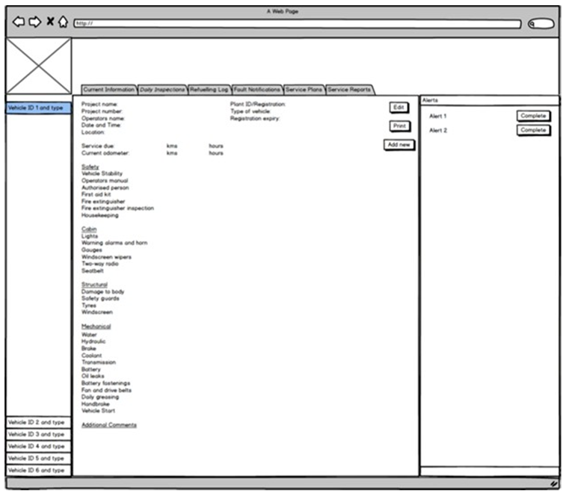
FR_020 | 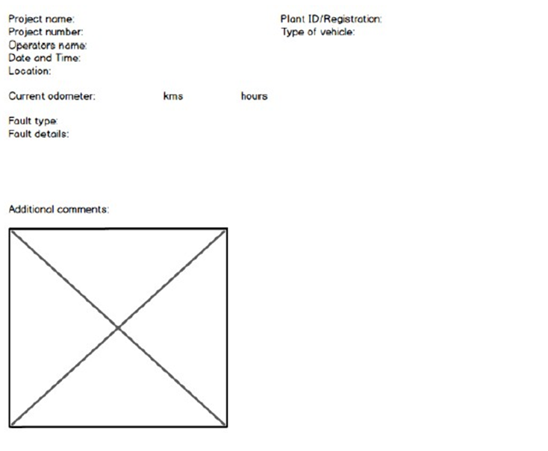
FR_021 | 